Sheet1
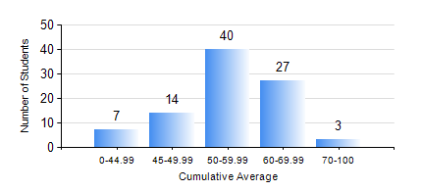
 |  |  | KWAME NKRUMAH UNIVERSITY OF SCIENCE AND TECHNOLOGY, KUMASI Department of Materials Engineering

 |  |  | BSC. METALLURGICAL ENG.

 |  |  | COMPREHENSIVE RECORD OF EXAMINATION RESULTS

 |  |  | RESULTS OF YEAR 2 FIRST SEMESTER, 2018/2019 ACADEMIC YEAR

 | Sn | Course Code |  | Course Name | Credit Hours | Min. Mark | Max. Mark | Avg. Mark | Std. Dev. | No. Passed | No. Trailed | No. (Df) | No. (I) | No. (I*) | No. Tagged(I,I*,Df) | Total
 | 0. |  |  |  |  |  |  | 0 | 0 | 0 | 0 | 0 | 0 | 0 | 0 | 8
 | 1. | CENG 291 |  | ENGINEERING IN SOCIETY | 2 | 20 | 83 | 60 | 10.72 | 78 | 4 | 0 | 1 | 0 | 1 | 83
 | 2. | GED 251 |  | MINERALOGY | 3 | 32 | 73 | 54 | 8.47 | 81 | 1 | 0 | 1 | 0 | 1 | 83
 | 3. | MATH 251 |  | DIFFERENTIAL EQUATIONS | 4 | 17 | 81 | 49 | 10.85 | 80 | 2 | 0 | 1 | 0 | 1 | 83
 | 4. | METE 251 |  | METALLURGICAL THERMODYNAMICS | 3 | 34 | 79 | 59 | 8.6 | 80 | 2 | 0 | 1 | 0 | 1 | 83
 | 5. | MSE 251 |  | TRANSPORT PHENOMENA IN MATERIALS PROCESSING I | 3 | 19 | 79 | 50 | 10.39 | 70 | 12 | 0 | 1 | 0 | 1 | 83
 | 6. | MSE 253 |  | MECHANICAL BEHAVIOUR OF MATERIALS | 2 | 9 | 73 | 50 | 12.65 | 71 | 11 | 0 | 1 | 0 | 1 | 83
 | 7. | MSE 255 |  | PRINCIPLES OF MATERIALS SCIENCE II | 2 | 29 | 79 | 61 | 9.11 | 81 | 1 | 0 | 1 | 0 | 1 | 83
 | 8. | MSE 257 |  | INDIGENOUS PROCESSING | 1 | 40 | 87 | 66 | 12.4 | 80 | 0 | 2 | 1 | 0 | 3 | 83

